Description
Archive Scenario
Instructions for use test scenarios

Description:
This scenario will test that the output from the Archive is consistent with its input: the retrieved data should not be changed by the archive.

The Archive actor should be able to support the following SOP classes:
· CT Image Storage
· MR Image Storage
· Positron Emission Tomography Image Storage (PET)
· Spatial Registration Storage
· RT Dose Storage
· RT Structure Set Storage

For this Archive test scenario DVTk as generic actor will:
· store the reference test data objects to the Archive
· retrieve the reference test data objects from the Archive
· compare the test data objects received with the original reference test data
· check level 2 SCP conformance

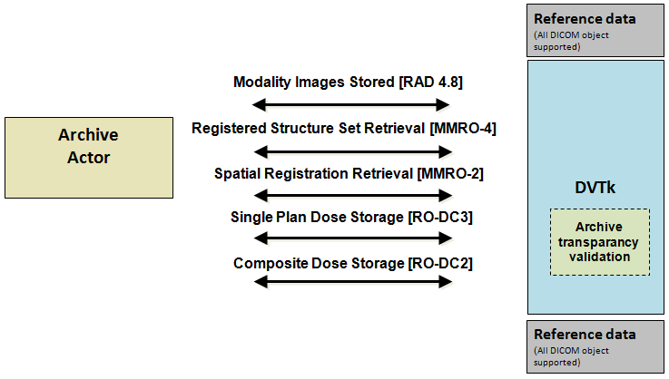

When this scenario starts the following dialog will show up.

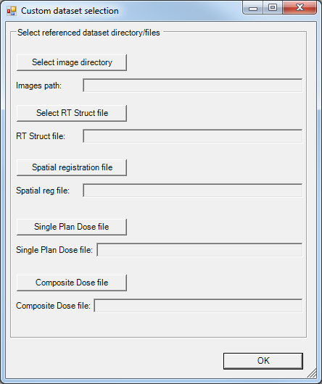

Select the directory where the images are located and for the other IOD's a file needs to be selected.

Transactions sent to actor:
RAD 4.8 (Modality Images Stored)
MMRO-4 Registered StructureSet Retrieval
MMRO-2 (Spatial Registration Retrieval)
RO-DC2 (Composite Dose Storge)
RO-DC3 (Single Plan Dose Storage)

Expected transactions from actor:
RAD 4.8 (Modality Images Stored)
MMRO-4 Registered StructureSet Retrieval
MMRO-2 (Spatial Registration Retrieval)
RO-DC2 (Composite Dose Storge)
RO-DC3 (Single Plan Dose Storage)

Used scenario dataset:
This scenario uses the selected dataset.

